Sheet1
We are providing all types of aviation tires for general, commercial and militarey air crafts in the Middle East and Africa, currently we stocks over 30 different sizes of Aircraft Tyres to support our new and existing customers.
We are capable to meet your AOG requirements 24/7. We are providing after sales services and we are also providing retraded tires to minimize end customer costs.

 | MICHELIN

 | GOODYEAR

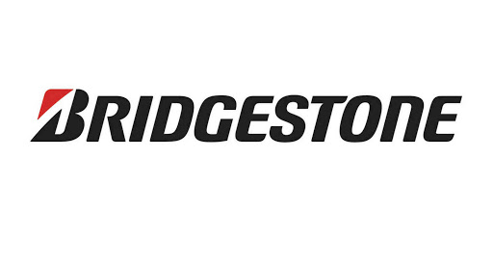
 | BRIDGESTONE

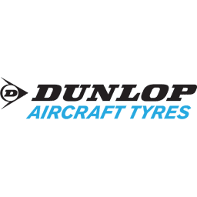
 | DUNLIO

